1. Title Page
[Grocery Basket Analysis]

Project Name: Grocery Basket Analysis
Date:
Analyst Name: Farah Javed

Contents:
Population Flow
Consistency checks
Wrangling steps
Column derivations
Visualizations
Recommendations

Citation: The Instacart Online Grocery Shopping
Dataset 2017”, Accessed from www.instacart.com/datasets/grocery-shopping-2017
via Kaggle on Aug 26, 2025.
customer data set was created by CareerFoundry for the puepose of this project.

2. Population Flow
Title page

Population flow

Exclusion flag
Condition: max_order < 5
Obervations to be removed: 1,440,248
Final total count of order_products_all: 30,964,041

Orders_products_combined
Orders_products_merged
Orders_products_all

Total: 32434489
Total: 32404289
Total: 32404289

1.) The grey boxes in the first row of the population flow represent the original data sets as they were when you downloaded them. In the Total fields you need to add the count of the rows when you imported the data set into Jupyter.
2.) The second row of boxes (coloured) represents the data sets after you manipulated them, e.g., removed missing values and duplicates. In the Total fields you need to add the count of the rows after conducting these operations. This offers a visual oveview of how the data flows throughout the data consistency checks.
3.) The third row, where also the arrows are coloured, represents the merges you performed between the datasets. In the Total fields you need to add the count of the rows in the merged datasets, so that you end up with the final dataset (in the red box). Keep in mind the final dataset should be without exclusions (based on the exclusion flag).

3. Consistency checks
 |  |  |  | Title page
Consistency checks

Dataset | Missing values | Missing values treatment | Duplicates
orders | days_since_prior_order, 206209 values missing | created a new column is_first_order,which acts like a flag based on the missing value | No duplicates found.
products | product_name, 16 values missing | created a new data frame without missing values | Found 5 full duplicate rows,dropped all 5 rows. Product ids 6800 and 26520 had two different products assianged to the same id hence creating duplicate ids, kept the first row of product for each ID only, that is, dropped two more rows.

orders_products_prior | none | none | none

customers | First name, 11259 values missing | Kept the rows as is, since first name is not a critical info needed for our analysis. | none

Note: In products data frame, in prices column there were extreme high values like 9999, to avoid issues in further
analysis due to such high values, they were set to NaN, that’s why we have 5127 NaN values in our price_range_loc
column.

4. Wrangling steps
 |  |  |  | Title page
Wrangling steps

Columns dropped | Columns renamed | Columns' type changed | Comment/Reason
eval_set from orders data frame. | order_dow column renamed to orders_day_of_week in orders data frame. | order_id and user_id changed from integer to string. | eval_set is dropped because its not needed for our analysis. Coulmn renamed to make it more intutive and easy to understand. When finding stats on orders data frame, the min/max value or mean,median of user_id and order_id are not needed because these are our key columns so changed the data type from integer to string to maximize efficiency and processing speed.

 | In customers table changed Surnam to Last Name, STATE to State and fam_status to Family_status First name to first_name, Age to age and Gender to gender. |  | changed column names for consistency and clarity.
 |  | In customers changed first_name from mixed to string data type. | To maintain consistency.

5. Column derivations
In this tab you should add tables below that the frequences of flags/label variables that you produced after deriving them. NB: don't do this for continuous variables, only for flags.
 |  |  |  | Title page

Column derivations and aggregations

price_range_loc
Mid-range product: 21860290
Low-range product :10126321
High-range product :412551
NaN : 5127
order_frequency_flag
Frequent customer 21559233
Regular customer 7208688
Non-frequent customer 3636363
One-time customer 5
Name: count, dtype: int64
Dataset | New column | Column/s it was derived from | Conditions
ords_prods_merge | price_range_loc | prices | df.loc[df['prices'] > 15, 'price_range_loc'] = 'High-range product'
 |  |  | df.loc[(df['prices'] <= 15) & (df['prices'] > 5), 'price_range_loc'] = 'Mid-range product'
 |  |  | ords_prods_merge.loc[ords_prods_merge['prices'] <= 5, 'price_range_loc'] = 'Low-range product'

busiest_days
Regularly busy 12915884
Busiest days 11864175
Slowest days 7624230
Name: count, dtype: int64
ords_prods_merge | busiest_days | orders_day_of_week | for value in ords_prods_merge["orders_day_of_week"]:
 |  |  | if value == 0 or value == 1:
 |  |  | new_column.append("Busiest days")
 |  |  | elif value == 3 or value == 4:
 |  |  | new_column.append("Slowest days")
 |  |  | else:
 |  |  | new_column.append("Regularly busy")
busiest_period_of_day
Most Orders 21117665
Average Orders 9997497
Fewest Orders 1289127
Name: count, dtype: int64
ords_prods_merge | busiest_period_of_day | order_hour_of_day | q33 = hour_counts.quantile(0.33)
 |  |  | q66 = hour_counts.quantile(0.66)
 |  |  | def label_order_volume(count):
 |  |  | if count <= q33:
 |  |  | return 'Fewest Orders'
loyalty_flag
Regular customer:15876441
Loyal customer: 10284025
New customer : 6243823
Name: count, dtype: int64
 |  |  | elif count <= q66:
 |  |  | return 'Average Orders'
 |  |  | else:
 |  |  | return 'Most Orders'

ords_prods_merge | max_order | user_id, Order_number | ords_prods_merge['max_order'] = ords_prods_merge.groupby(['user_id'])['order_number'].transform(np.max)

spending_flag
Low spender 146293
High spender 59916
Name: count, dtype: int64
ords_prods_merge | loyalty_flag | max_order | ords_prods_merge.loc[ords_prods_merge['max_order'] > 40, 'loyalty_flag'] = 'Loyal customer'
 |  |  | ords_prods_merge.loc[(ords_prods_merge['max_order'] <= 40) & (ords_prods_merge['max_order'] > 10), 'loyalty_flag'] = 'Regular customer'
 |  |  | ords_prods_merge.loc[ords_prods_merge['max_order'] <= 10, 'loyalty_flag'] = 'New customer'

ords_prods_merge | average_price | user_id, prices | ords_prods_merge['Average_price'] = ords_prods_merge.groupby(['user_id'])['prices'].transform('mean')

ords_prods_merge | spending_flag | average_price | threshold = ords_prods_merge['Average_price'].quantile(0.75)
 |  |  | ords_prods_merge['spending_flag'] = ords_prods_merge['Average_price'].apply( lambda x: 'High spender' if x >= threshold else 'Low spender' )

ords_prods_merge | median_days_between_orders | user_id, days_since_prior_order | ords_prods_merge['median_days_between_orders'] = ords_prods_merge.groupby(['user_id'])['days_since_prior_order'].transform('median')

ords_prods_merge | order_frequency_flag | median_days_between_orders | ords_prods_merge.loc[ords_prods_merge['median_days_between_orders'] > 20, 'Order_frequency_flag'] = 'Non-frequent customer'
 |  |  | ords_prods_merge.loc[(ords_prods_merge['median_days_between_orders'] > 10) & (ords_prods_merge['median_days_between_orders'] <= 20), 'Order_frequency_flag'] = 'Regular customer'
 |  |  | ords_prods_merge.loc[ords_prods_merge['median_days_between_orders'] <= 10, 'Order_frequency_flag'] = 'Frequent customer'

final_dataframe | region | state | northeast_states = [
 |  |  | 'Maine', 'New Hampshire', 'Vermont', 'Massachusetts',
 |  |  | 'Rhode Island', 'Connecticut', 'New York',
 |  |  | 'Pennsylvania', 'New Jersey'
 |  |  | ]

 |  |  | final_dataframe.loc[final_dataframe['state'].isin(northeast_states), 'region'] = 'Northeast'
 |  |  | midwest_states = [
 |  |  | 'Wisconsin', 'Michigan', 'Illinois', 'Indiana',
 |  |  | 'Ohio', 'North Dakota', 'South Dakota',
 |  |  | 'Nebraska', 'Kansas', 'Minnesota', 'Iowa', 'Missouri'
 |  |  | ]

 |  |  | final_dataframe.loc[final_dataframe['state'].isin(midwest_states), 'region'] = 'Midwest'
 |  |  | south_states = [
 |  |  | 'Delaware', 'Maryland', 'District of Columbia', 'Virginia', 'West Virginia',
 |  |  | 'North Carolina', 'South Carolina', 'Georgia', 'Florida',
 |  |  | 'Kentucky', 'Tennessee', 'Mississippi', 'Alabama',
 |  |  | 'Oklahoma', 'Texas', 'Arkansas', 'Louisiana'
 |  |  | ]

 |  |  | final_dataframe.loc[final_dataframe['state'].isin(south_states), 'region'] = 'South'
 |  |  | west_states = [
 |  |  | 'Montana', 'Idaho', 'Wyoming', 'Colorado', 'New Mexico',
 |  |  | 'Arizona', 'Utah', 'Nevada', 'California', 'Oregon',
 |  |  | 'Washington', 'Alaska', 'Hawaii'
 |  |  | ]

 |  |  | final_dataframe.loc[final_dataframe['state'].isin(west_states), 'region'] = 'West'

final_dataframe | exclusion_flag | max_order | final_dataframe.loc[final_dataframe['max_order'] < 5, 'exclusion_flag'] = 'low activity'
 |  |  | final_dataframe.loc[final_dataframe['max_order'] >= 5, 'exclusion_flag'] = 'high activity'

high_activity_df | most_ordered_department | user_id, department_id | most_ordered_dept = (
 |  |  | high_activity_df
 |  |  | .groupby(['user_id'])['department_id']
 |  |  | .value_counts()
 |  |  | .groupby(level=0)
 |  |  | .idxmax()
 |  |  | .reset_index(name='most_ordered_department')
 |  |  | )
 |  |  | most_ordered_dept['most_ordered_department'] = most_ordered_dept['most_ordered_department'].apply(lambda x: x[1])

high_activity_df | dept_type | most_ordered_department | dept_map = {
 |  |  | 1: 'Stock-Up Shopper', # frozen
 |  |  | 2: 'General Shopper', # other
 |  |  | 3: 'Leisure Shopper', # bakery
 |  |  | 4: 'Health-Conscious', # produce
 |  |  | 5: 'Leisure Shopper', # alcohol
 |  |  | 6: 'Health-Conscious', # international
 |  |  | 7: 'Leisure Shopper', # beverages
 |  |  | 8: 'Family Shopper', # pets
 |  |  | 9: 'Stock-Up Shopper', # dry goods pasta
 |  |  | 10: 'Stock-Up Shopper', # bulk
 |  |  | 11: 'Routine Essentials', # personal care
 |  |  | 12: 'Routine Essentials', # meat seafood
 |  |  | 13: 'Stock-Up Shopper', # pantry
 |  |  | 14: 'Routine Essentials', # breakfast
 |  |  | 15: 'Stock-Up Shopper', # canned goods
 |  |  | 16: 'Routine Essentials', # dairy eggs
 |  |  | 17: 'Family Shopper', # household
 |  |  | 18: 'Family Shopper', # babies
 |  |  | 19: 'Leisure Shopper', # snacks
 |  |  | 20: 'Routine Essentials', # deli
 |  |  | 21: 'Unknown' # missing
 |  |  | }
 |  |  | most_ordered_dept['dept_type'] = most_ordered_dept['most_ordered_department'].map(dept_map)

high_activity_df | department_name | department_id | department_map = {
 |  |  | 1: "frozen",
 |  |  | 2: "other",
 |  |  | 3: "bakery",
 |  |  | 4: "produce",
 |  |  | 5: "alcohol",
 |  |  | 6: "international",
 |  |  | 7: "beverages",
 |  |  | 8: "pets",
 |  |  | 9: "dry goods pasta",
 |  |  | 10: "bulk",
 |  |  | 11: "personal care",
 |  |  | 12: "meat seafood",
 |  |  | 13: "pantry",
 |  |  | 14: "breakfast",
 |  |  | 15: "canned goods",
 |  |  | 16: "dairy eggs",
 |  |  | 17: "household",
 |  |  | 18: "babies",
 |  |  | 19: "snacks",
 |  |  | 20: "deli",
 |  |  | 21: "missing"
 |  |  | }
 |  |  | # Add a new column by mapping department_id to department_name
 |  |  | high_activity_df['department_name'] = high_activity_df['department_id'].map(department_map)

high_activity_df | age_group, income_group, family_size | age, income, n_dependants | def get_age_group(age):
 |  |  | if age < 25:
 |  |  | return 'Young Adult'
 |  |  | elif 25 <= age < 40:
 |  |  | return 'Adult'
 |  |  | elif 40 <= age < 60:
 |  |  | return 'Middle-Aged'
 |  |  | else:
 |  |  | return 'Senior'

 |  |  | def get_income_group(income):
 |  |  | if income < 30000:
 |  |  | return 'Low Income'
 |  |  | elif income < 70000:
 |  |  | return 'Middle Income'
 |  |  | else:
 |  |  | return 'High Income'

 |  |  | def get_family_size_group(dependents):
 |  |  | if dependents == 0:
 |  |  | return 'Single'
 |  |  | elif dependents <= 2:
 |  |  | return 'Small Family'
 |  |  | else:
 |  |  | return 'Large Family'

high_activity_df | time_behavior | orders_day_of_week, order_hour_of_day | def get_time_profile(row):
 |  |  | day = row['orders_day_of_week']
 |  |  | hour = row['order_hour_of_day']

 |  |  | if day in [2,3,4,5,6] and 6 <= hour <= 11:
 |  |  | return 'Weekday Morning'
 |  |  | elif day in [2,3,4,5,6] and 17 <= hour <= 21:
 |  |  | return 'Weekday Evening'
 |  |  | elif hour >= 22 or hour < 5:
 |  |  | return 'Late Night Shopper'
 |  |  | elif day in [0,1] and 12 <= hour <= 18:
 |  |  | return 'Weekend Afternoon'
 |  |  | else:
 |  |  | return 'General Shopper'

high_activity_df | profile_demographic | age_group, income_group, dept_type | high_activity_df['profile_demographic'] = (
 |  |  | high_activity_df['age_group'] + ' | ' +
 |  |  | high_activity_df['income_group'] + ' | ' +
 |  |  | high_activity_df['dept_type'].fillna('Unknown')
 |  |  | )

high_activity_df | household_type | n_dependants | high_activity_df['household_type'] = high_activity_df['n_dependants'].apply(lambda x: 'Single' if x == 0 else 'Family')

high_activity_df | profile_lifestyle | household_type, time_behavior, family_size | high_activity_df['profile_lifestyle'] = (
 |  |  | high_activity_df['household_type'] + ' | ' +
 |  |  | high_activity_df['time_behavior'] + ' | ' +
 |  |  | high_activity_df['family_size']
 |  |  | )

6. Visualizations
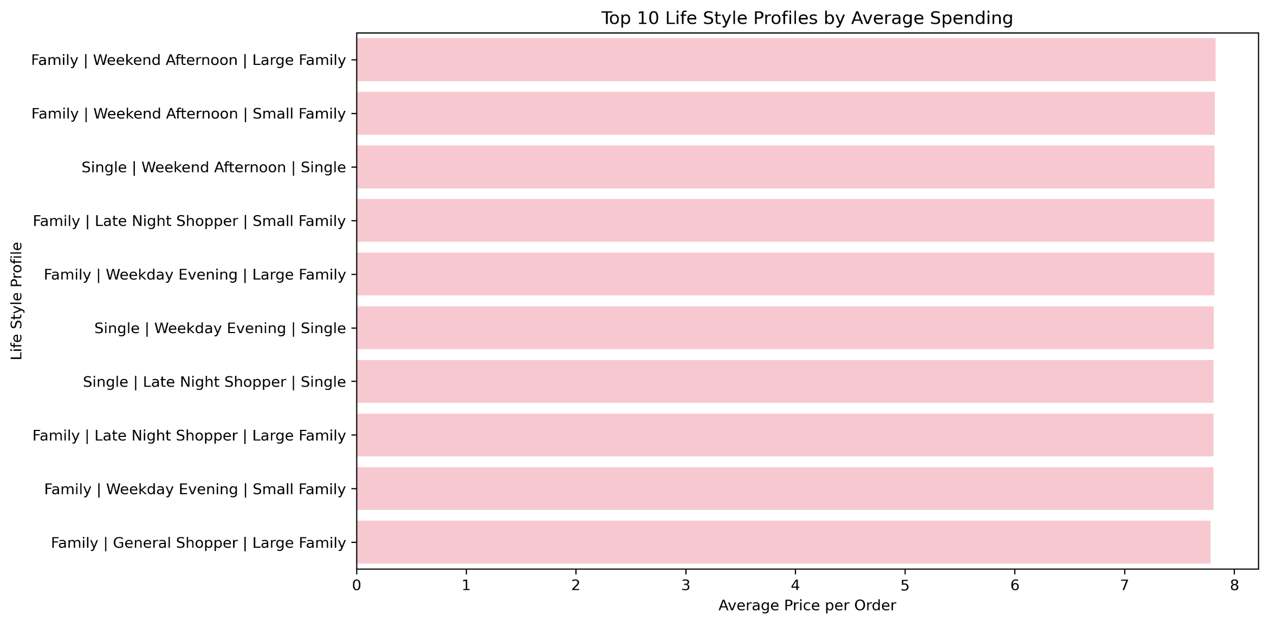
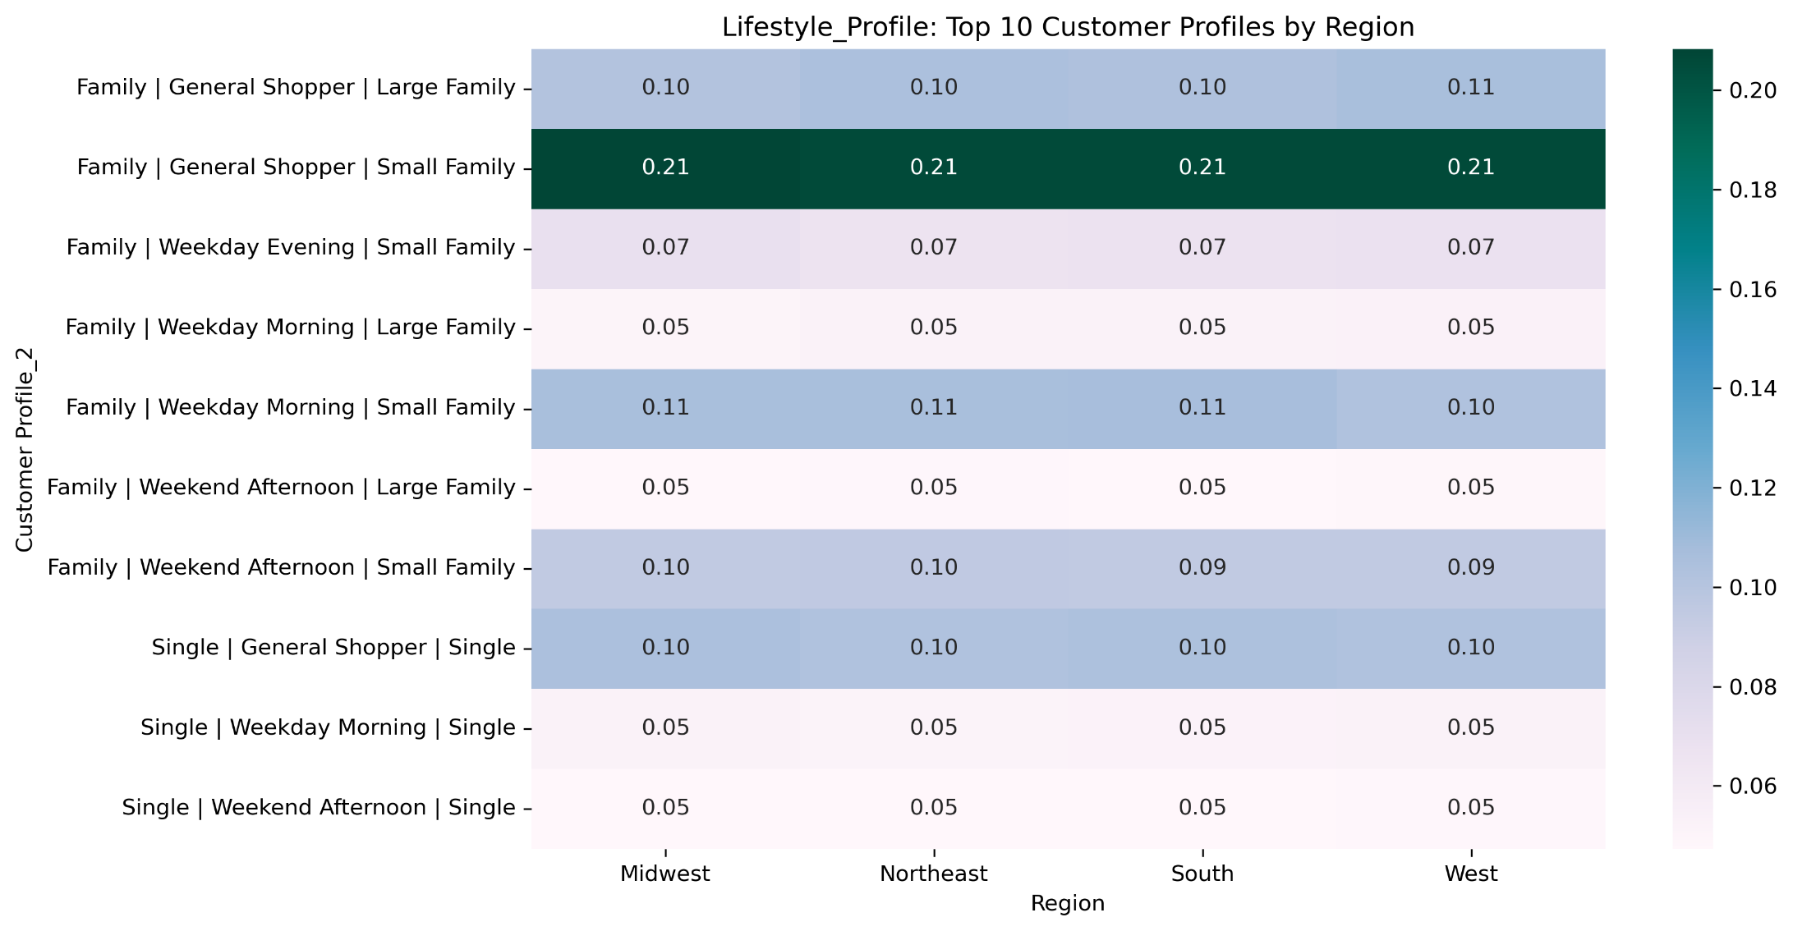
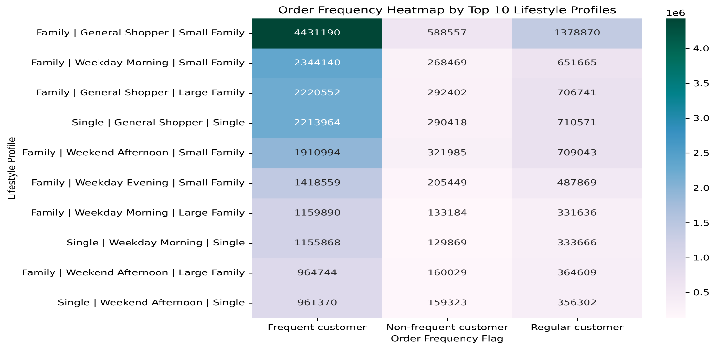
Title page

Visualisations

Key Question 1: The sales team needs to know what the busiest days of the week and hours of the day are (i.e., the days and times with the most orders) in order to schedule ads at
times when there are fewer orders.

Busiest Days Of The Week

Busiest Hours Of The Day


This histogram tells us that very few orders are placed late at night between 0 to 5 am. The orders starts increasing around 6 to 8 am, most orders are placed between 10 am to 4 pm, after 4 pm orders starts decreasing gradually. Most orders happen during the late morning and afternoon, while very few happen at night.
This histogram tells us that the busiest days of the week are saturday and sunday whereas tuesdays and wednesdays are the slowest days in terms of number of orders.

Key Question 2: They also want to know whether there are particular times of the day when people spend the most money, as this might inform the type of products they advertise at these times.

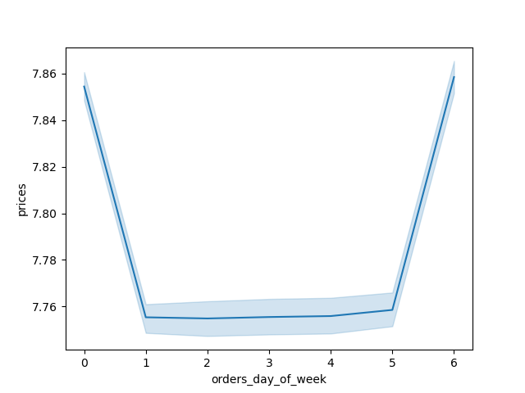
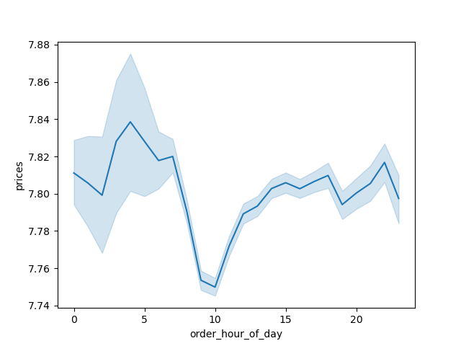

Looking at this line chart we can see that the most money spent by customers per order is during the early morning hours of 2 am to 5 am, where 4 am is the peak hour in terms of money spent by the customers. There can be multiple reasons for more money spent at these early morning hours, one reason could be that there are special offers on products at these odd hours and people end up placing bulk orders to take advantage of these offers or people are choosing this time of the day to place orders in order to avoid rush hours during the day and to be able to select the most suitable delivery time slot for their order to be delivered which might not be possible during the day rush hours.
Looking at this line chart we can see that the days of the week on which most money is spent by customers is friday and saturday. The most obvious reason for this could be as the weekend approaches people are placing big orders either for some party or buying full week grociers in order to stock up for the coming week.

Key Question 3: Instacart has a lot of products with different price tags. Marketing and sales want to use simpler price range groupings to help direct their efforts.

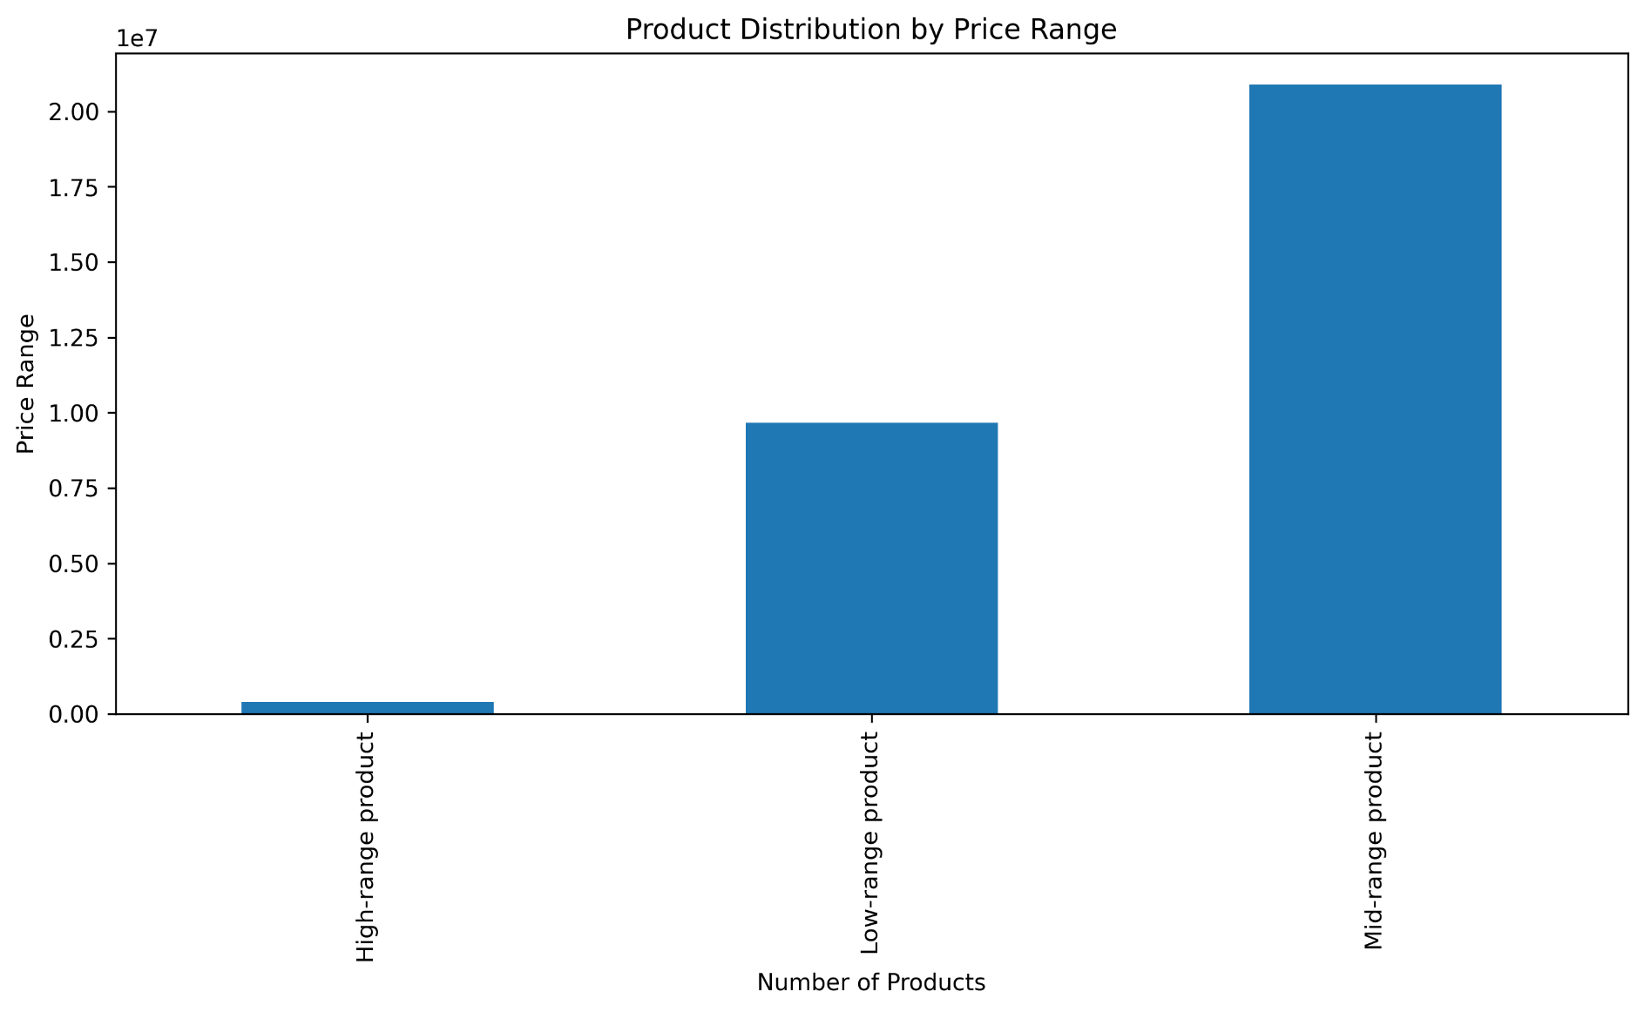

price_range_loc
Mid-range product:21860290
Low-range product:10126321
High-range product:412551

We can see that most Instacart products fall under Mid-range price category(5-15) , Low-range (<=5) products are the second most sold product category whereas high-range (>15) products appears to be luxury products and sold the least.

Key Question 4: Are there certain types of products that are more popular than others? The marketing and sales teams want to know which departments have the highest frequency of
product orders.

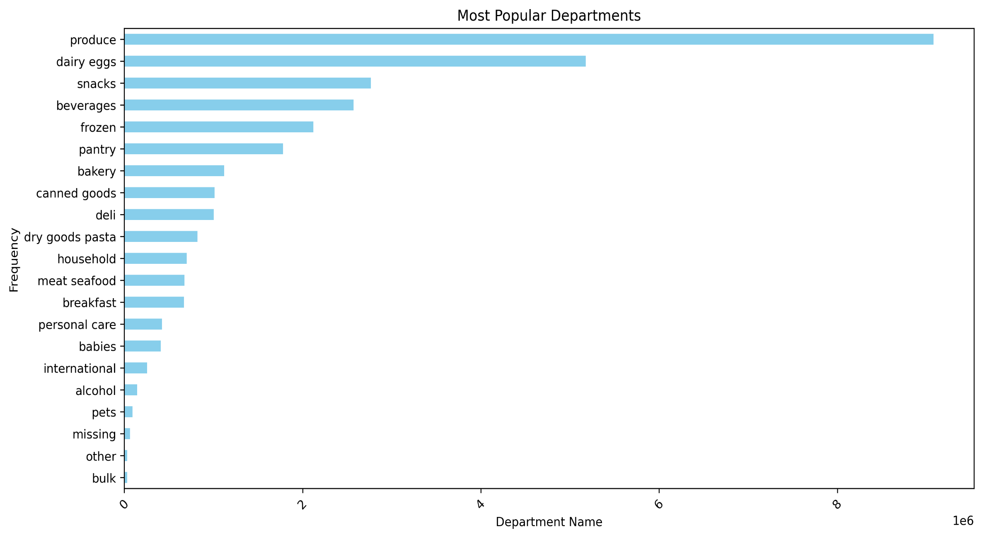

Theis chart shows us that produce is the most ordered department followed by dairy & eggs and snacks . The least ordered departments are bulk, other and pets.

Key Question 5: What’s the distribution among users in regards to their brand loyalty (i.e., how
often do they return to Instacart)?



loyalty_flag
Regular customer:15876441
Loyal customer: 10284025
New customer : 6243823

Instacart has a strong recurring customer base with regular customers at ~15.9 million orders, Loyal customers are the second highest group with ~ 10.2 million orders showing trust in the brand and then the promising number of ~6.2 million orders belong to new customers indicating high significance of new customers to Instacart's revenue.

Key Question 6: Are there differences in ordering habits based on a customer’s loyalty status?

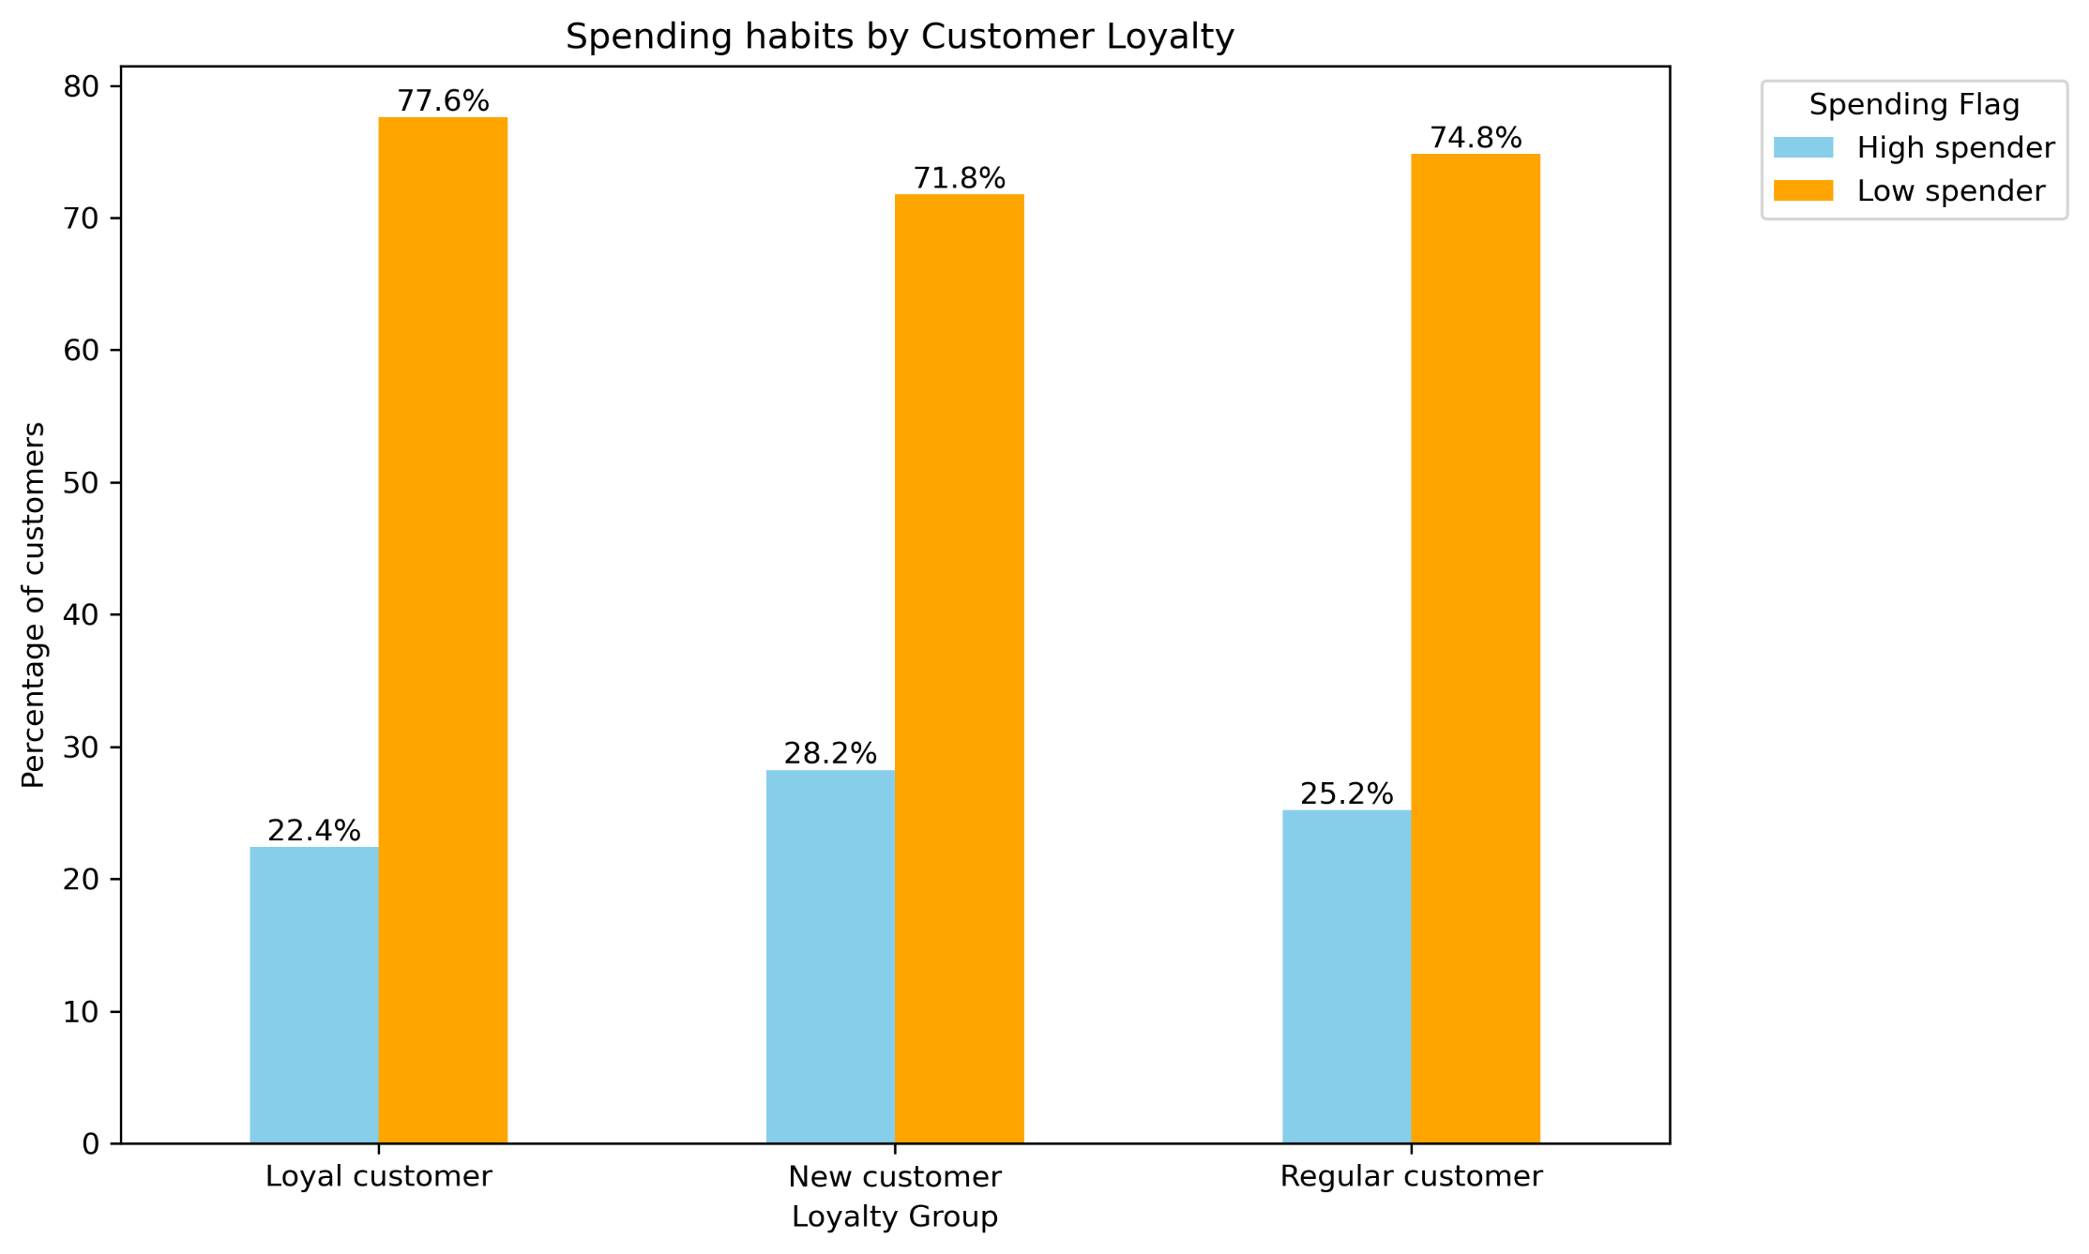
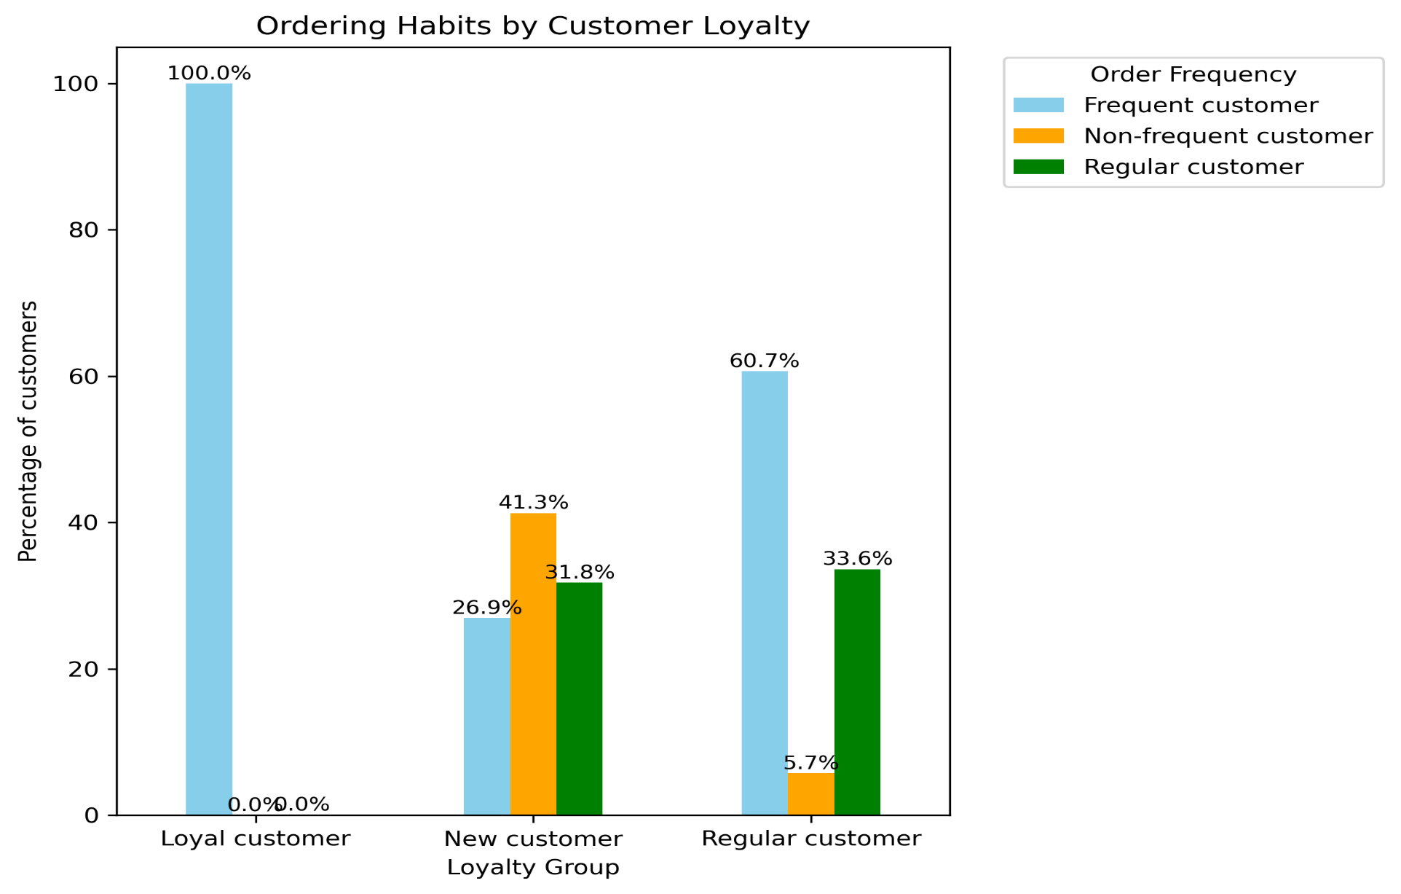

This grouped bar chart shows us that in terms of spending habits there are more low spenders than high spenders across all three loyalty categories i.e. loyal, new and regular customer. There are more customers in each loyalty category whose avergae order price is less than our threshold of ≈ 8.23.
This grouped bar chart shows us that both regular and loyal customer groups have the highest percentage of frequent customers that is they order from Instacart every 10 days or less. In new customer loyalty category we can see a difference i.e. in this group we have higher percentage of non-frequent and regular customers than frequent customers.

Key Question 7: Are there differences in ordering habits based on a customer’s region?

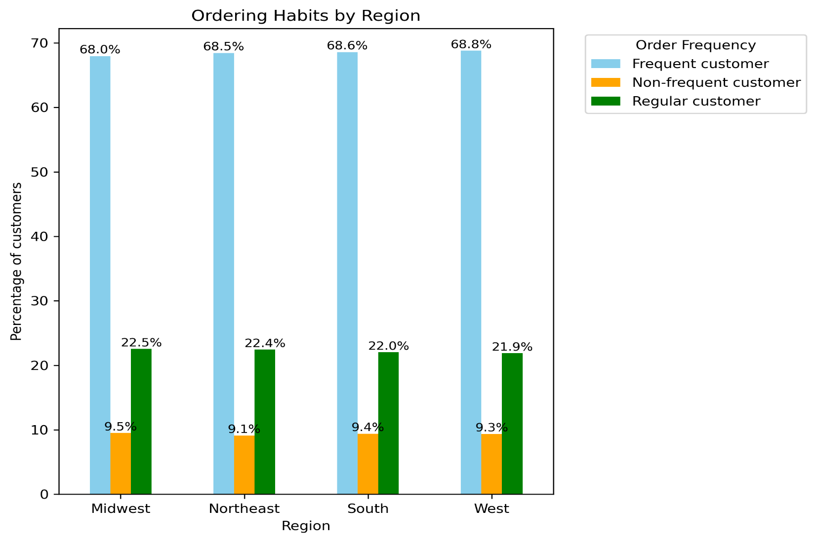
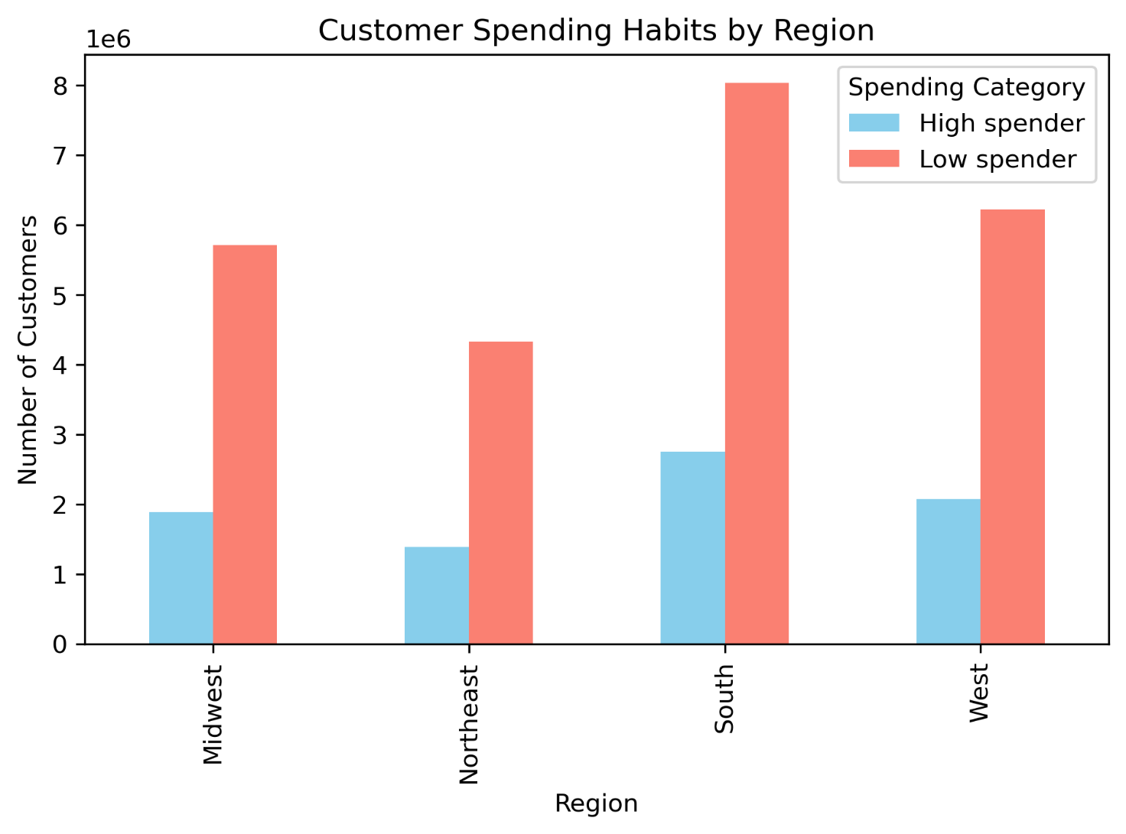

In this grouped bar chart we can see that in every region, about 68% of customers are frequent shoppers.
Regular customers make up around 22%, pretty consistent across regions.
Non-frequent customers are the smallest group i.e. under 10% in all regions. Most people, no matter where they live, shop at Instacart often. Only a small number use it rarely.
In this grouped bar chart we can see that across all four regions most customers fall under low spender category, this shows a pretty consistent spending pattern across all regions.

Key Question 8: Is there a connection between age and family status in terms of ordering
habits?

Looking at both the stacked bar charts analyzing customer behaviour w.r.t. age and family status we can see that customer order frequency is highly stable across both, age groups and family statuses.
Roughly:
70% frequent customers
20–25% regular customers
<10% non-frequent customers
The only unique case is Young Adults living with parents and siblings, but even there the pattern remains the same.
Similarly age and family status does not seem to have an impact on customer's spending habits. Around 75% customers are low spenders and 25% are high spenders among all age groups.

Key Question 9: What different classifications does the demographic information suggest? Age? Income? Certain types of goods? Family status?

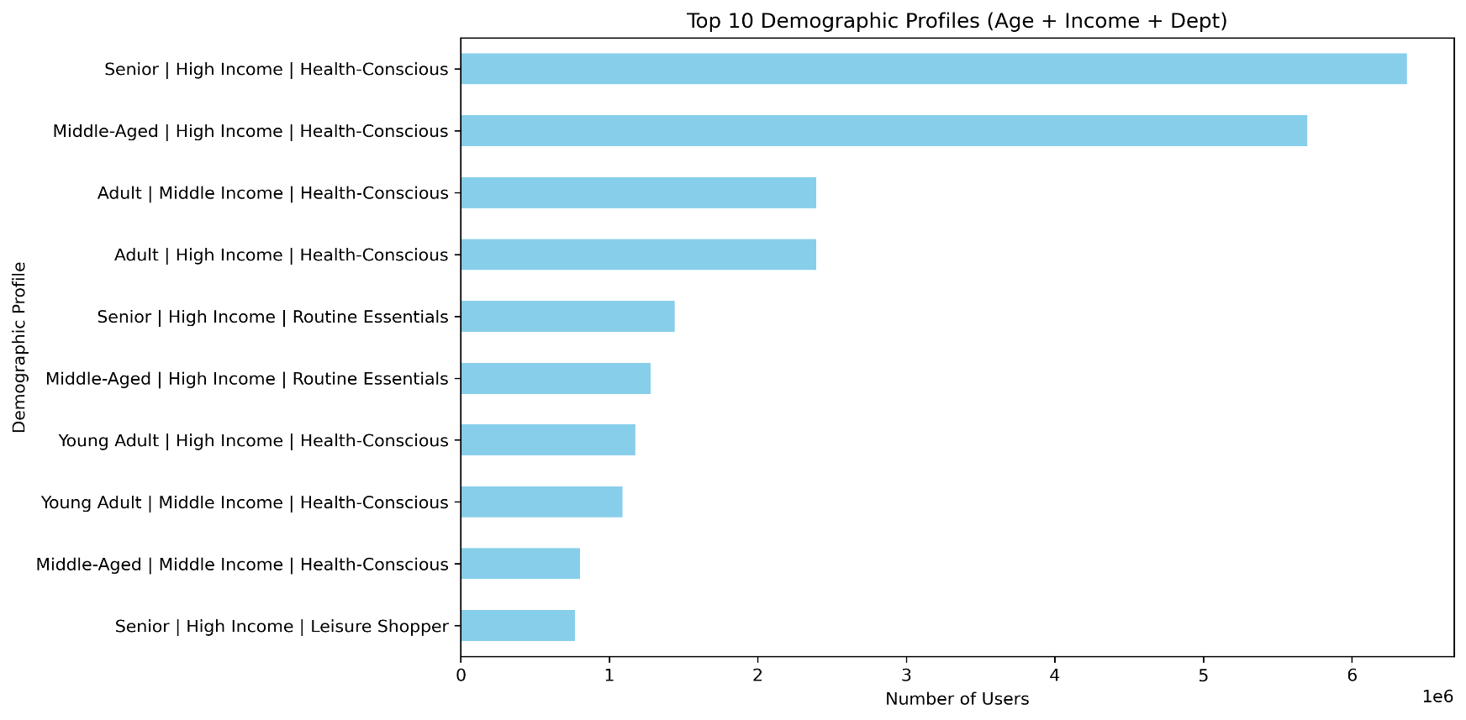
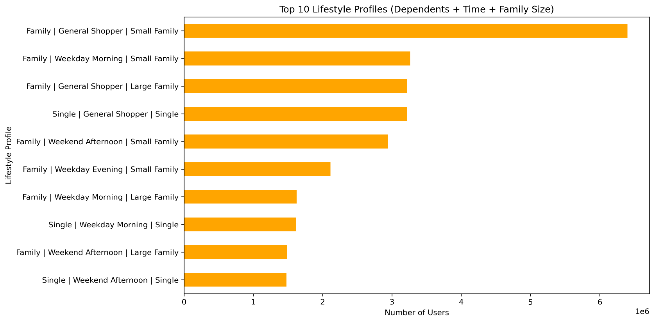


1) Looking at the scatter plot we can see that most data points are packed below 200,000, indicating many individuals fall in the lower-income range. There is no clear correlation among Age and income, however we can see that people between the ages of 40 and 80 show greater variance in income, some earning much more than others, while younger group between the ages 18 and 30 fall mostly under lower income brackets.
2) In the bar charts above we can see two different classifications according to the demographic information, in the left most chart we can see that most people are health-Conscious, hence produce and international are the most dominant departments among top profiles.
3) High Income users dominate the top demographics.
4) Seniors and Middle-Aged individuals with high income are the most engaged, particularly in health-focused shopping.
5) Whereas in terms of family status, family size and shopping hours, families dominate the top lifestyle profiles — especially those from small families.
6) General Shoppers (not tied to specific times) are significant, especially among families.
7) Weekday Mornings are a popular time for families and singles to shop.
8)Large Families appear slightly less frequently but are still significant.
9) Single users appear in the bottom half of the chart, indicating they’re less dominant overall.

Key Question 10: What differences can you find in ordering habits of different customer profiles? Consider the price of orders, the frequency of orders, the products customers are ordering, and anything else you can think of.

PORFILE 1: Demographic Profile (based on age, income, most ordered department)
1) Senior | High Income | Health-Conscious is the dominant profile across all regions (~21%), indicating strong presence and engagement from older, affluent, health-aware customers.
Middle-Aged | High Income | Health-Conscious also holds a large share (~18–19%) consistently across regions. Most profiles show relatively stable representation across all regions, with little regional variation.
2) The highest average spenders are:
Middle-Aged | High Income | General Shopper
Young Adult | High Income | Unknown
Adult | High Income | General Shopper
High-income customers, regardless of age or shopping habits, are the highest average spenders. The combination of General Shopper behavior and High Income appears most profitable.
3) Senior | High Income | Health-Conscious and Middle-Aged | High Income | Health-Conscious lead by a wide margin in frequent customer orders.
~4.5M and ~4M orders respectively from frequent customers.
Adult | Middle Income | Health-Conscious and Adult | High Income | Health-Conscious also contribute significantly.
Lower income groups and non-health-conscious shoppers show lower frequency.
Older, high-income, health-conscious customers not only dominate in volume but are also frequent repeat buyers, making them the most engaged and valuable segments.
Key Insights:
1) High-Income Segments appear consistently across all charts — highest in frequency, spend, and reach.
2) Health-Conscious Shoppers are strongest in frequency and reach (regions) but not necessarily highest in spend.
3) General Shoppers are highest average spenders, especially among high-income.
4) Seniors & Middle-Aged groups are most loyal and valuable, top in both frequency and spending.
Recommendations:
1) Target health-conscious seniors and middle-aged customers with loyalty programs — they buy often and dominate volume.
2) Develop a premium tier offering for high-income segments, combining health and essential categories.
3) Segment marketing less by region, more by profile — regional variation is minimal, customer type drives behavior more.

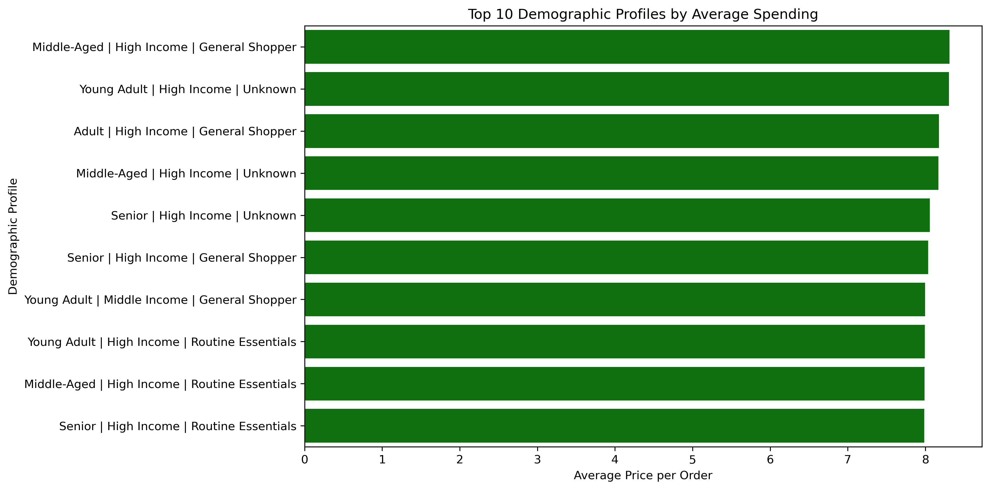
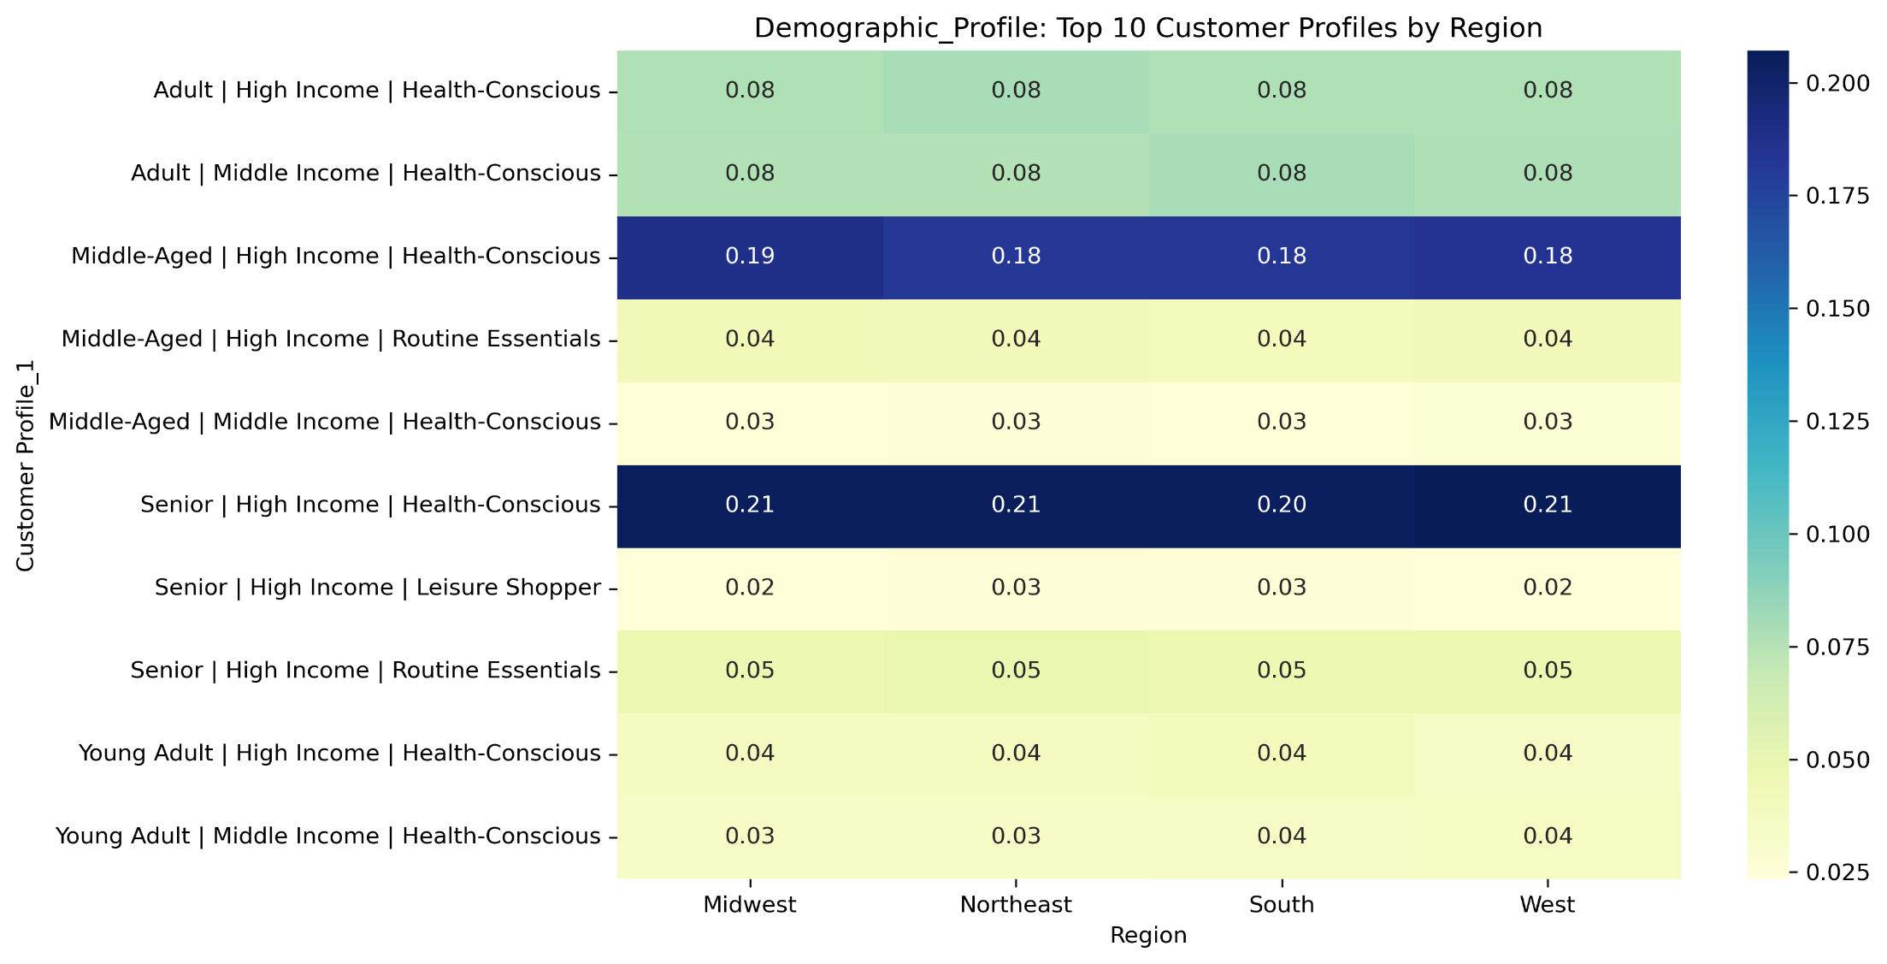

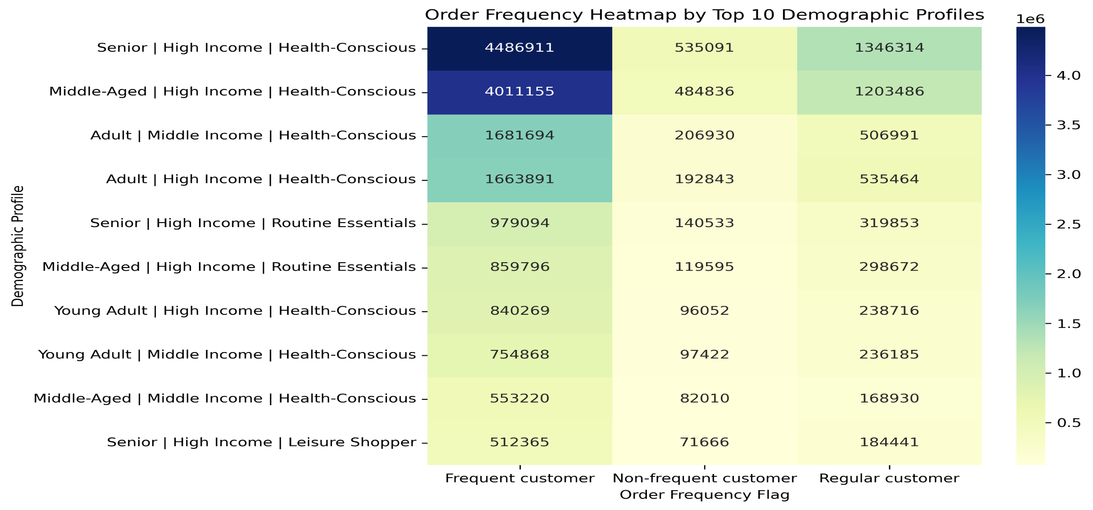

PORFILE 2: Lifestyle Profile (based on Family status, Number of dependents, Shopping hours)
1) Following profiles tend to spend more per order on average:
Family | Weekend Afternoon | Large Family
Family | Weekend Afternoon | Small Family
Single | Weekend Afternoon | Single
These top spenders mostly shop on weekends or late nights, and include families or singles with specific patterns.
2) Family | General Shopper | Small Family is most dominant across all regions, making up ~21% of orders. Other consistent profiles include:
Family | General Shopper | Large Family
Family | Weekend Afternoon | Small/Large Family
Single | General Shopper | Single
The Small Family | General Shoppers are a key demographic across all U.S. regions.
There's a relatively balanced regional distribution, with no significant skew towards any one area for most top profiles.
3) The highest order volume comes from:
Family | General Shopper | Small Family: especially frequent customers (4.4M+)
Other strong profiles include:
Family | Weekday Morning | Small Family
Family | General Shopper | Large Family
Single | General Shopper | Single
The majority of high-frequency orders come from families, with singles also contributing significantly.
Key Insights:
1) Weekend shoppers (family or single profiles) have the highest average order value.
2) Small families, general shoppers have the highest presence among all regions (evenly spread).
3) Frequent family shoppers, have the highest order frequency, especially in the morning and general categories
Recommendations:
1) Target Small Family | General Shoppers with promotions or subscription plans — they are high-frequency and widely spread.
2) Focus marketing on weekend shopping families, who spend more per order.
3) Create late-night and weekend campaigns for single customers with higher spending potential.

7. Recommendations
 |  | Title page

Recommendations

In this tab you should include any recommendations you would made to Instcart in terms of their marketing strategy based on the questions posed in the brief. Every key question has been covered in the Tasks of the Exercises - here you need to add an item - a visualisation or table/crosstable that is showing the answer in the data, acompanied by a comment from you. Please, list the questions below and add the answer underneath.

Questions | Recommendations
Key Question 1: The sales team needs to know what the busiest days of the week and hours of the day are (i.e., the days and times with the most orders) in order to schedule ads at | Busiest days of the week are Saturday and Sunday whereas the busiest hours with most orders coming in are between 10 am and 4 pm. Mid week that is tuesdays and wednesdays after 4 pm would be an appropriate time to schedule ads since its relatively a quiter time.
times when there are fewer orders.

Key Question 2: They also want to know whether there are particular times of the day when people spend the most money, as this might inform the type of products they advertise at these times. | Customers tend to spend more money between 2am to 5 am, where 4 am is the peak hour when most money is spent. Customers might be shopping in bulk at these hours, at this time advertising bundle offers on daily essential products can be fruitful.

Key Question 3: Instacart has a lot of products with different price tags. Marketing and sales want to use simpler price range groupings to help direct their efforts. | Most Instacart products fall under Mid-range price category , hence these products should be focused when running ads and promotions in order to generate revenue.

Key Question 4: Are there certain types of products that are more popular than others? The marketing and sales teams want to know which departments have the highest frequency of | Most ordered products are from produce and dairy-egg departments. Marketing team can focus these departments during ad campgains, promoting freshness and local sourcing. Feature health benefits to target wellness-conscious consumers.Combine items across these departments (e.g. fruit + yogurt + granola for breakfast packs) to promote sales. Sales team can use this information to present to potential suppliers and secure best cost effective deals.
product orders.

Key Question 5: What’s the distribution among users in regards to their brand loyalty (i.e., how | Instacart has a strong base of long term repeat customers, attractive offers on long term high selling products, subscribtion offers, reward points collection on each order and special seasonal offers can immensely help retain these regular and loyal customers. For new customers special discounts on first order, free delivery option on first couple of orders can be lucrative offers to motivate them to reorder.
often do they return to Instacart)?

Key Question 6: Are there differences in ordering habits based on a customer’s loyalty status? | Most customers with the loyalty status of regular and loyal customers tend to be frequent shoppers which reinforces our ideas of providing lucrative offers to these valueable customers to enchance customer satisfaction which will automatically strenghten their brand loyalty. In new customer category we have a higher proportion of non-frequent customers, recommendations mentioned above to attract new customers can help change this proportion for better.

Key Question 7: Are there differences in ordering habits based on a customer’s region? | Frequent customers are in higher proportion in all four regions. Moreover spending pattern seems to be consistent across the regions with more low spenders than high spenders. Low and mid range products should be the focus in terms of advertisment. Better more competitive prices should be considered for high range products to increase customer spending. Bundle offers can also help increase avergae spending.

Key Question 8: Is there a connection between age and family status in terms of ordering | Ordering habits seems to be consistent among all ages and family groups, similar marketing strategies as mentioned above to retain loyal customer and gather new customers are valid.
habits?

Key Question 9: What different classifications does the demographic information suggest? Age? Income? Certain types of goods? Family status? | Answer on visualizations sheet.

Key Question 10: What differences can you find in ordering habits of different customer profiles? Consider the price of orders, the frequency of orders, the products customers are ordering, and anything else you can think of. | Answer on visualizations sheet.

